Sheet1
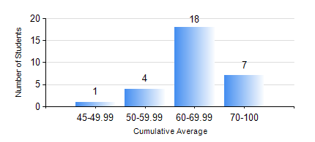
 |  |  | KWAME NKRUMAH UNIVERSITY OF SCIENCE AND TECHNOLOGY, KUMASI Department of Mechanical Engineering

 |  |  | BSC. MARINE ENG.

 |  |  | COMPREHENSIVE RECORD OF EXAMINATION RESULTS

 |  |  | RESULTS OF YEAR 1 SECOND SEMESTER, 2019/2020 ACADEMIC YEAR

 | Sn | Course Code |  | Course Name | Credit Hours | Min. Mark | Max. Mark | Avg. Mark | Std. Dev. | No. Passed | No. Trailed | No. (Df) | No. (I) | No. (I*) | No. Tagged(I,I*,Df) | Total
 | 1. | EE 152 |  | BASIC ELECTRONICS | 2 | 60 | 89 | 76 | 7.14 | 28 | 0 | 0 | 2 | 0 | 2 | 30
 | 2. | ENGL 158 |  | COMMUNICATION SKILLS II | 2 | 55 | 80 | 66 | 6.37 | 27 | 0 | 0 | 3 | 0 | 3 | 30
 | 3. | FC 182 |  | FRENCH FOR COMMUNICATION II | 2 | 51 | 85 | 68 | 8.03 | 25 | 0 | 0 | 5 | 0 | 5 | 30
 | 4. | MATH 152 |  | CALCULUS WITH ANALYSIS | 4 | 52 | 92 | 77 | 8.51 | 28 | 0 | 0 | 2 | 0 | 2 | 30
 | 5. | ME 160 |  | ENGINEERING DRAWING | 3 | 40 | 71 | 56 | 8.72 | 28 | 0 | 0 | 2 | 0 | 2 | 30
 | 6. | ME 164 |  | STATICS OF SOLID MECHANICS | 2 | 40 | 86 | 53 | 15.3 | 28 | 0 | 0 | 2 | 0 | 2 | 30
 | 7. | ME 168 |  | COMPUTER PROGRAMMING FOR ENGINEERS | 2 | 41 | 89 | 67 | 14.08 | 28 | 0 | 0 | 2 | 0 | 2 | 30
 | 8. | MME 174 |  | MARINE ENGINEERING DESIGN PROJECT I | 2 | 67 | 83 | 74 | 4.41 | 29 | 0 | 0 | 1 | 0 | 1 | 30

